Sheet1
Project Details
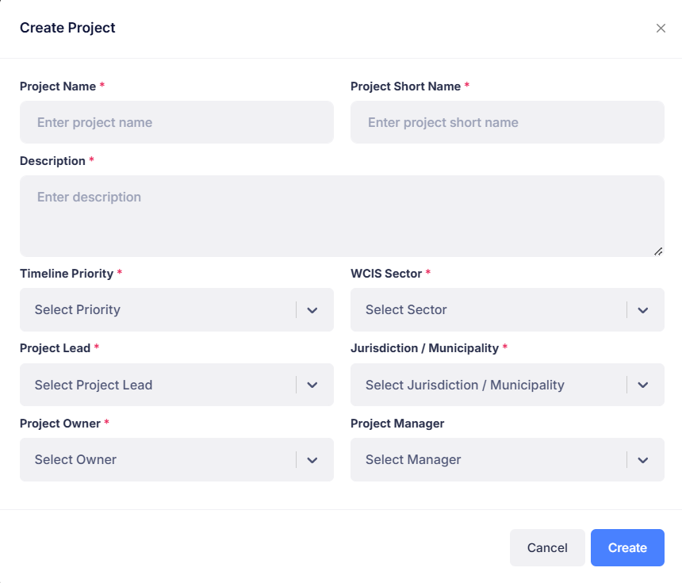
 | Is Project ready for evaluation | Yes/No

 | If Yes, then ask other question

 | Upload documents
 | > show relevant types

